Application Screen
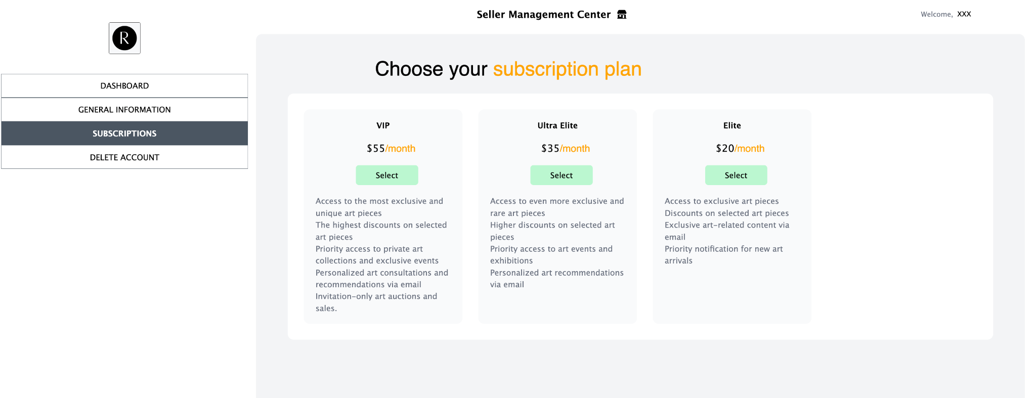

Test Case 4
TC Title: | TC4. Review and Choose Subscription Plan - Core Functionality & Data Flow Out

TC Objective: | This test case validates core functionality of the feature, and the data flow from this feature to other features - After the subscription plan was chosen, user should be able to use the premium feature 02.05, 02.06, 02.07

Data Flow Diagram | 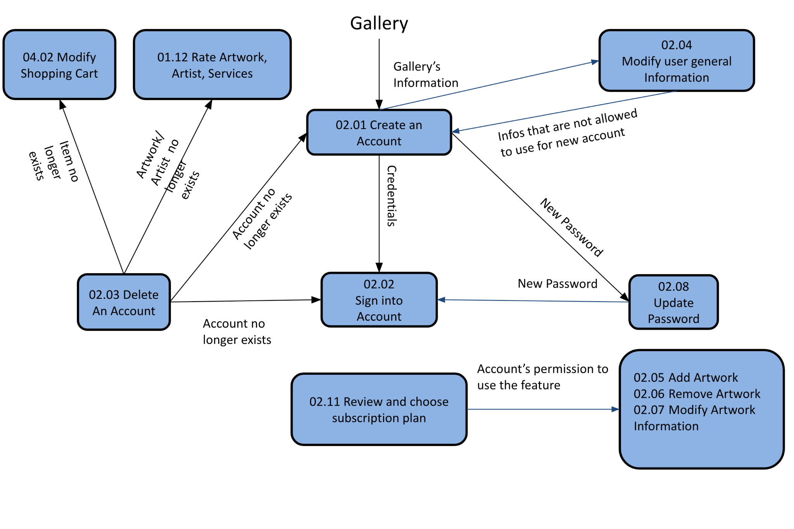
Precondition |  | Customer signed in; has not paid for a subscription plan and is at Review and Choose Subscription Plan
TC Description
 | Step | Step Description | Expected Results
 | 1 | Go to Seller Management Center | Cannot see feature Add artwork/Remove artwork/Modify Artwork Information
 | 2 | Choose a subscription plan (any of the plan will do) and pay | Success message
 | 3 | Go to Seller Management Center | Cannot see feature Add artwork/Remove artwork/Modify Artwork Information

